Edwards_2004
Edwards et al (2004) - Implications of changes in household stoves and fuel use in China
https://doi.org/10.1016/S0301-4215(02)00309-9

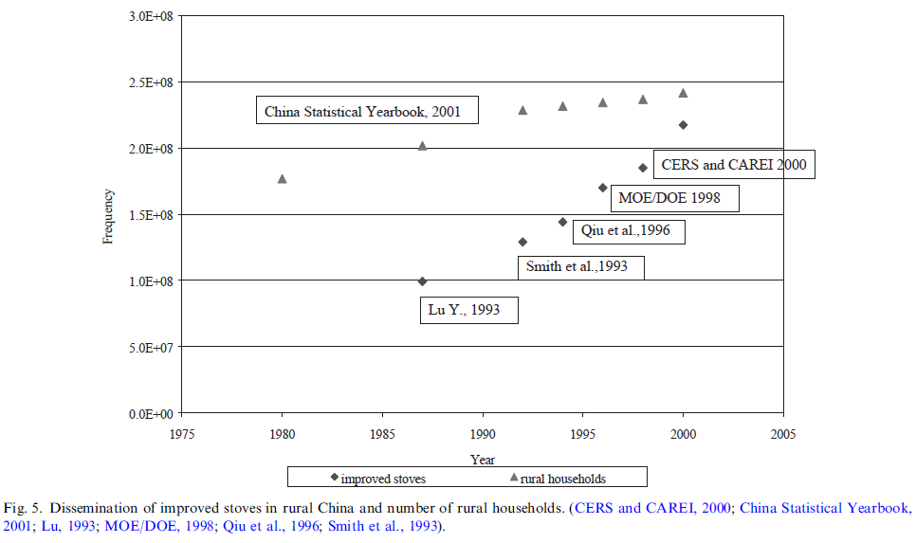
Country | Year | Number of Rural Households [-] | Number of Improved Stoves [-] | Proportion of Rural Households with an Improved Stove [-] | Source/Method | Proportion of Rural Households without an Improved Stove [-]
CHN | 1960 |  |  | 0.00% | Assumed 0% | 100.00%
CHN | 1961 |  |  | 1.84% | Linear interpolation | 98.16%
CHN | 1962 |  |  | 3.68% | Linear interpolation | 96.32%
CHN | 1963 |  |  | 5.53% | Linear interpolation | 94.47%
CHN | 1964 |  |  | 7.37% | Linear interpolation | 92.63%
CHN | 1965 |  |  | 9.21% | Linear interpolation | 90.79%
CHN | 1966 |  |  | 11.05% | Linear interpolation | 88.95%
CHN | 1967 |  |  | 12.90% | Linear interpolation | 87.10%
CHN | 1968 |  |  | 14.74% | Linear interpolation | 85.26%
CHN | 1969 |  |  | 16.58% | Linear interpolation | 83.42%
CHN | 1970 |  |  | 18.42% | Linear interpolation | 81.58%
CHN | 1971 |  |  | 20.27% | Linear interpolation | 79.73%
CHN | 1972 |  |  | 22.11% | Linear interpolation | 77.89%
CHN | 1973 |  |  | 23.95% | Linear interpolation | 76.05%
CHN | 1974 |  |  | 25.79% | Linear interpolation | 74.21%
CHN | 1975 |  |  | 27.63% | Linear interpolation | 72.37%
CHN | 1976 |  |  | 29.48% | Linear interpolation | 70.52%
CHN | 1977 |  |  | 31.32% | Linear interpolation | 68.68%
CHN | 1978 |  |  | 33.16% | Linear interpolation | 66.84%
CHN | 1979 |  |  | 35.00% | Linear interpolation | 65.00%
CHN | 1980 | 176352880.66 |  | 36.85% | Linear interpolation | 63.15%
CHN | 1981 | 179827160.49 |  | 38.69% | Linear interpolation | 61.31%
CHN | 1982 | 183301440.33 |  | 40.53% | Linear interpolation | 59.47%
CHN | 1983 | 186775720.16 |  | 42.37% | Linear interpolation | 57.63%
CHN | 1984 | 190250000 |  | 44.22% | Linear interpolation | 55.78%
CHN | 1985 | 193724279.84 |  | 46.06% | Linear interpolation | 53.94%
CHN | 1986 | 197198559.67 |  | 47.90% | Linear interpolation | 52.10%
CHN | 1987 | 200672839.51 | 99819743.698 | 49.74% | Edwards et al (2004) | 50.26%
CHN | 1988 | 205935994.25 | 105829097.07 | 51.39% | Edwards et al (2004) | 48.61%
CHN | 1989 | 211234807.62 | 111774388.77 | 52.91% | Edwards et al (2004) | 47.09%
CHN | 1990 | 216533621 | 117719680.47 | 54.37% | Edwards et al (2004) | 45.63%
CHN | 1991 | 221832434.38 | 123664972.16 | 55.75% | Edwards et al (2004) | 44.25%
CHN | 1992 | 227131247.75 | 129610263.86 | 57.06% | Edwards et al (2004) | 42.94%
CHN | 1993 | 229159891.6 | 137562962.96 | 60.03% | Edwards et al (2004) | 39.97%
CHN | 1994 | 231008732.31 | 145733212.89 | 63.09% | Edwards et al (2004) | 36.91%
CHN | 1995 | 231827160.49 | 158675097.86 | 68.45% | Edwards et al (2004) | 31.55%
CHN | 1996 | 232585185.19 | 171386735.57 | 73.69% | Edwards et al (2004) | 26.31%
CHN | 1997 | 234423366.46 | 178438128.05 | 76.12% | Edwards et al (2004) | 23.88%
CHN | 1998 | 236272207.17 | 185489520.53 | 78.51% | Edwards et al (2004) | 21.49%
CHN | 1999 | 238433862.43 | 202838838.84 | 85.07% | Edwards et al (2004) | 14.93%
CHN | 2000 | 240599647.27 | 217777777.78 | 90.51% | Edwards et al (2004) | 9.49%
CHN | 2001 |  |  | 90.92% | Linear interpolation | 9.08%
CHN | 2002 |  |  | 91.33% | Linear interpolation | 8.67%
CHN | 2003 |  |  | 91.74% | Linear interpolation | 8.26%
CHN | 2004 |  |  | 92.15% | Linear interpolation | 7.85%
CHN | 2005 |  |  | 92.55% | Linear interpolation | 7.45%
CHN | 2006 |  |  | 92.96% | Linear interpolation | 7.04%
CHN | 2007 |  |  | 93.37% | Linear interpolation | 6.63%
CHN | 2008 |  |  | 93.78% | Linear interpolation | 6.22%
CHN | 2009 |  |  | 94.18% | Linear interpolation | 5.82%
CHN | 2010 |  |  | 94.59% | Linear interpolation | 5.41%
CHN | 2011 |  |  | 95.00% | CTCN (2011) | 5.00%
CHN | 2012 |  |  | 95.33% | Linear interpolation | 4.67%
CHN | 2013 |  |  | 95.67% | Linear interpolation | 4.33%
CHN | 2014 |  |  | 96.00% | Linear interpolation | 4.00%
CHN | 2015 |  |  | 96.33% | Linear interpolation | 3.67%
CHN | 2016 |  |  | 96.67% | Linear interpolation | 3.33%
CHN | 2017 |  |  | 97.00% | Linear interpolation | 3.00%
CHN | 2018 |  |  | 97.33% | Linear interpolation | 2.67%
CHN | 2019 |  |  | 97.67% | Linear interpolation | 2.33%
CHN | 2020 |  |  | 98.00% | Assumed 98% | 2.00%

FAO_2017
FAO (2017) - The charcoal transition
http://www.fao.org/3/i6935e/i6935e.pdf
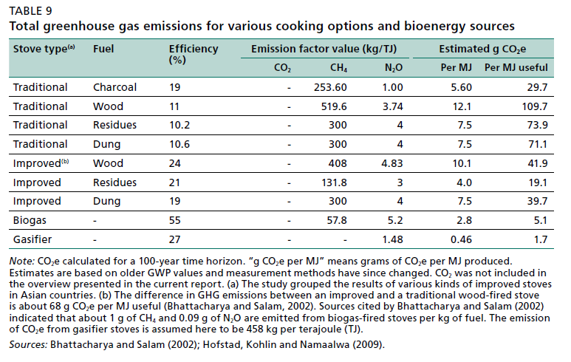
Year | Country | Stove type | Fuel | Efficiency [-]
 | ASA | Traditional | Charcoal | 0.19
 | ASA | Traditional | Wood | 0.11
 | ASA | Traditional | Residues | 0.102
 | ASA | Traditional | Dung | 0.106
 | ASA | Improved | Wood | 0.24
 | ASA | Improved | Residues | 0.21
 | ASA | Improved | Dung | 0.19
 | ASA | Biogas | - | 0.55
 | ASA | Gasifier | - | 0.27

CTCN_2011
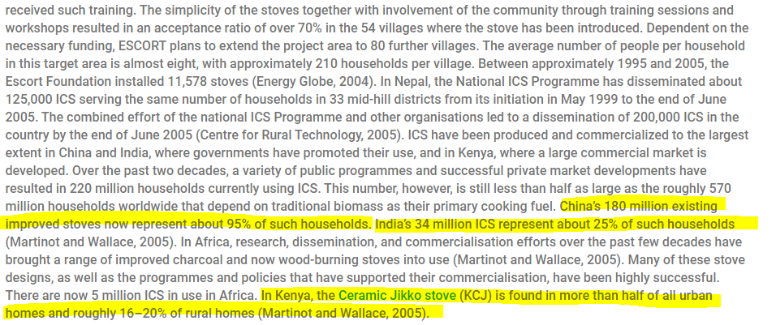
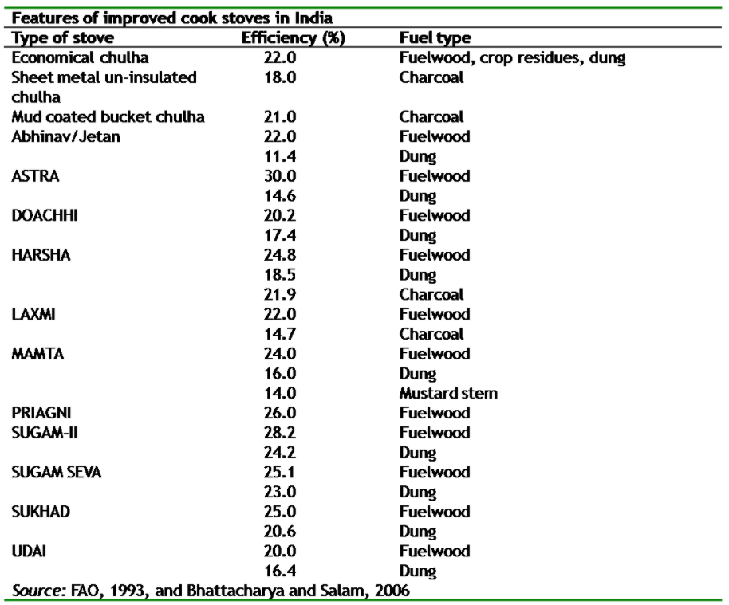
CTCN (2011) - Improved Cook Stoves
https://www.ctc-n.org/technologies/improved-cook-stoves
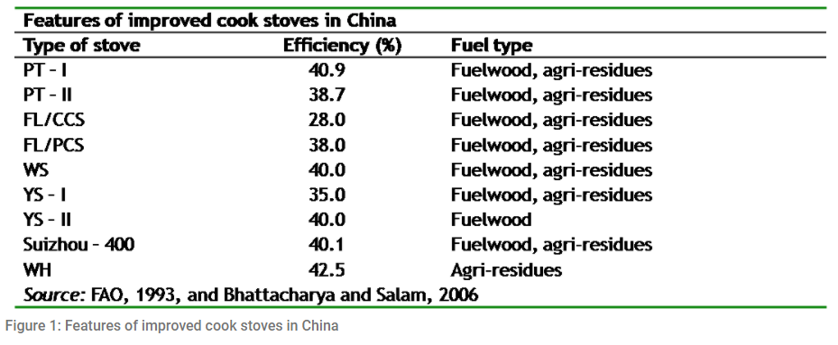

Year | Country | Proportion of Rural Households with an Improved Stove [-]
2011 | CHN | 95.00%
2011 | KEN
2011 | IND | 25.00%

Hyman_1986
Hyman (1986) - The economics of improved charcoal stoves in Kenya
https://www.sciencedirect.com/science/article/pii/0301421586901254
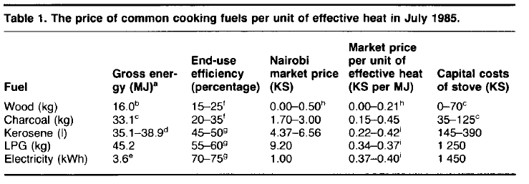
Table 1
Year | Country | Cooking Stove Fuel | End-Use Efficiency [-]
1985 | KEN | Wood | 20.00%
1985 | KEN | Charcoal | 27.50%
1985 | KEN | Kerosene | 47.50%
1985 | KEN | LPG | 57.50%
1985 | KEN | Electricity | 72.50%

Zhang_2013
Zhang et al (2018) - Assessment of pollutant emissions and energy efficiency of four charcoal stoves
http://www.ijabe.org/index.php/ijabe/article/view/3637/pdf

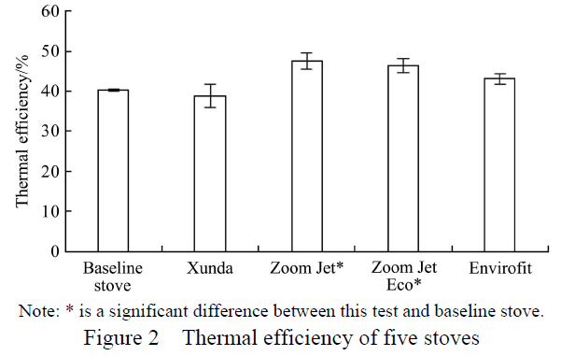
Year | Country | Stove | Thermal Efficiency [-]
2018 | CHN | Baseline stove | 40.31%
2018 | CHN | Xunda | 38.46%
2018 | CHN | Zoom jet | 47.26%
2018 | CHN | Zoom Jet Eco | 46.33%
2018 | CHN | Envirofit | 43.32%
2018 | CHN | Mean | 43.14%

Adeyemi_2017
Adeyemi et al (2017) - Thermal Performance of Improved Charcoal Stove as a Clean Development Mechanism Project – A Case Sudy of Bauchi
http://engineering.fuoye.edu.ng/journal/index.php/engineer/article/view/62/pdf
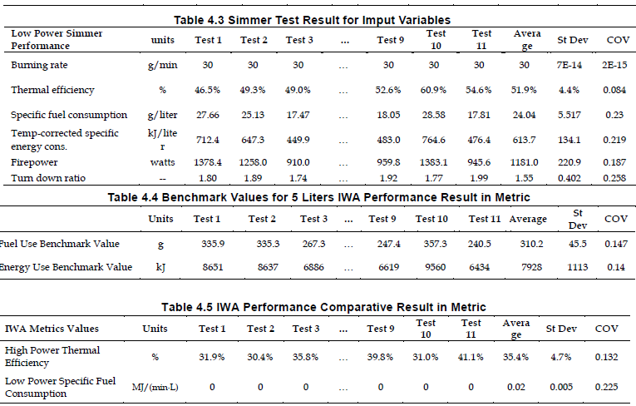
Year | Country | Stove | Thermal Efficiency [-] | Additional info/sources
2017 | NGN | Improved charcoal stove | 35.40%

Coffey_2017
Coffey et al (2017) - New Emission Factors and Efficiencies from in-Field Measurements of Traditional and Improved Cookstoves and Their Potential Implications
https://pubs.acs.org/doi/full/10.1021/acs.est.7b02436
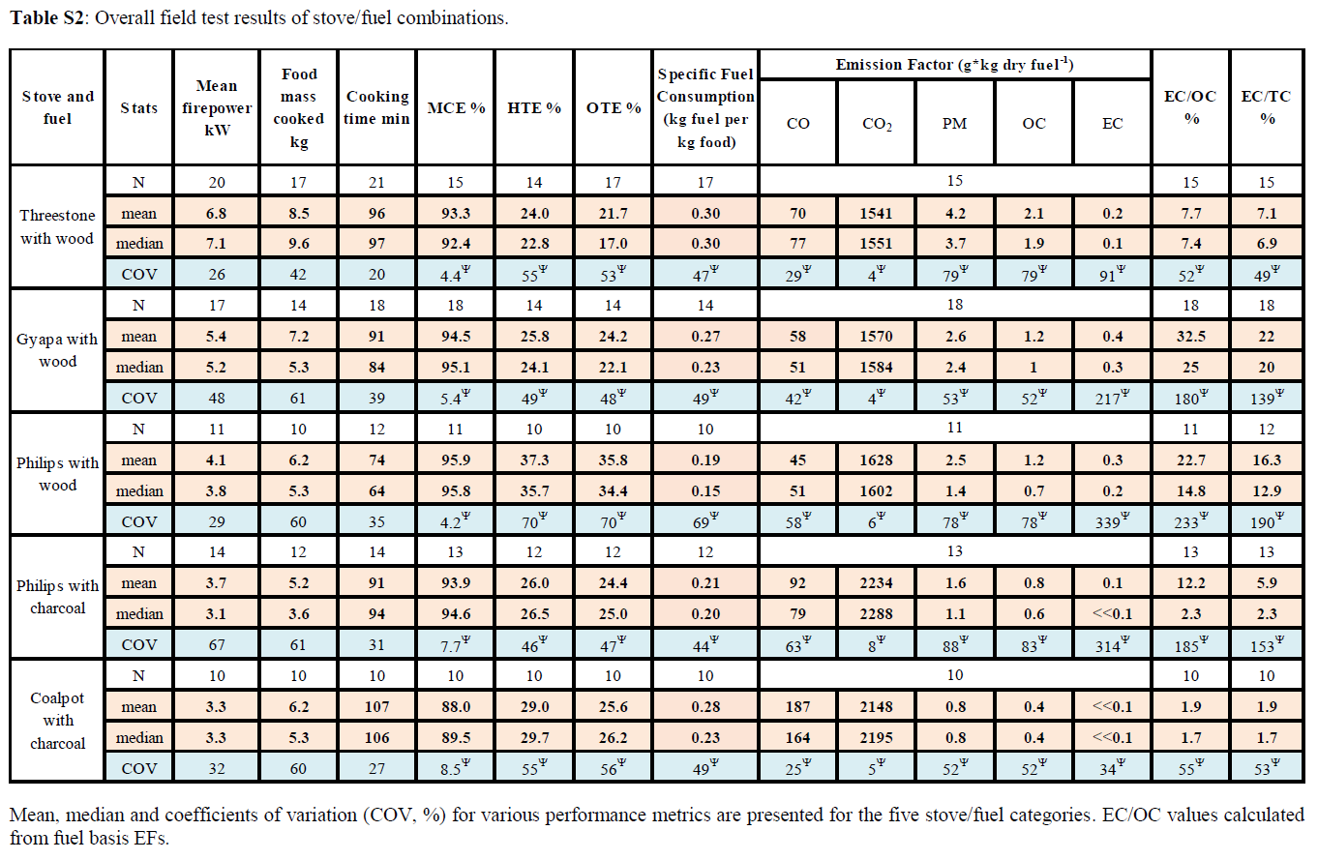
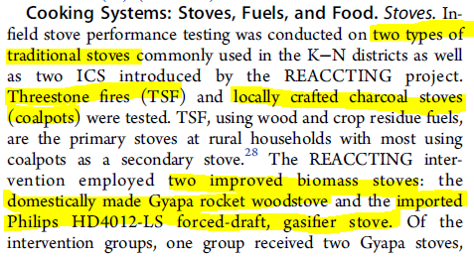
Year | Country | Stove Type | Stove Fuel | Overall Thermal Efficiency [-]
1960 | GHA | Threestone | Wood | 21.70%
2007 | GHA | Gyapa | Wood | 24.20%
 | GHA | Phillips | Wood | 35.80%
 | GHA | Phillips | Charcoal | 24.40%
1960 | GHA | Coalpot | Charcoal | 25.60%

Afrane_2012
Afrane & Ntiamoah (2012) - Analysis of the life-cycle costs and environmental impacts of cooking fuels used in Ghana
https://doi.org/10.1016/j.apenergy.2012.03.041
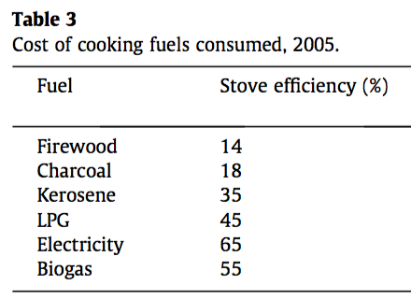
Fuel | Efficiency [-]
Firewood | 14.00%
Charcoal | 18.00%
Kerosene | 35.00%
LPG | 45.00%
Electricity | 65.00%
Biogas | 55.00%

Barnes_1996
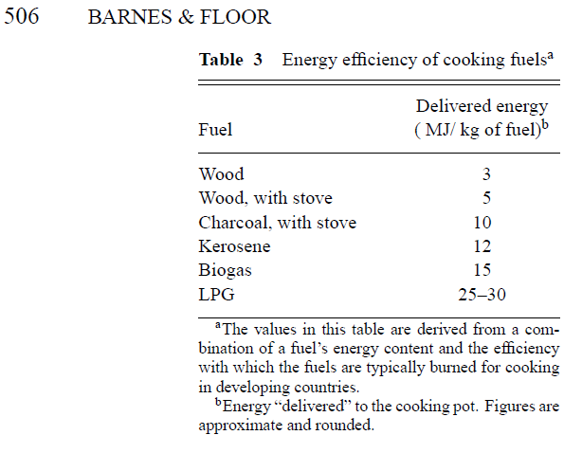
Barnes & Floor (1996) - Rural Energy in Developing Countries A Challenge for Economic Development
https://www.annualreviews.org/doi/full/10.1146/annurev.energy.21.1.497

